grain size analysis
 |  |  |  |  |  |  |  |  |  | * grain-size distribution of bed material (2010)_ Grab Sampler(60L), wire grid

 |  |  |  |  |  |  |  |  |  | particle size time | D35(mm) | D50(mm) | D65(mm) | D90(mm) | 균등계수 Coefficient of uniformity (Cu) | 곡률계수 Coefficient of curvature (Cg)
 |  |  |  |  |  |  |  |  |  | 평균 (mean) | 0.68 | 0.88 | 1.06 | 2.05 | 3.04 | 1.16
before the flood (2010)
after the flood (2010)
mean
percent passing(%)
particle size (mm)

 |  |  |  |  |  |  |  |  |  | * grain-size distribution of bed material (2011)_wire grid

 |  |  |  |  |  |  |  |  |  | particle size time | D35(mm) | D50(mm) | D65(mm) | D90(mm) | 균등계수 Coefficient of uniformity (Cu) | 곡률계수 Coefficient of curvature (Cg)
 |  |  |  |  |  |  |  |  |  | 평균 (mean) | 0.78 | 0.97 | 1.16 | 3.05 | 2.47 | 1.08
before the flood (2011)
after the flood (2011)
mean
percent passing(%)
particle size (mm)

* particle size distribution of suspended sediment (2012) |  |  |  |  |  |  |  |  |  | * grain-size distribution of bed material (2012)

No | particle size distribution of suspended sediment (%) |  |  |  |  |  |  |  |  | particle size time | D10 | D30 | D35 | D60 | D65 | 균등계수 Coefficient of uniformity (Cu) | 곡률계수 Coefficient of curvature (Cg)
 | range (mm) |  |  |  |  |  |  |  | sum | 홍수전 (before the flood) | 0.41 | 0.63 | 0.68 | 0.88 | 0.93 | 1.41 | 1.09
 | 0.0020~ | 0.0222~ | 0.0313~ | 0.0423~ | 0.0626~ | 0.1251~ | 0.2501~ | 0.5001~ |  | 홍수후(after the flood ) | 0.27 | 0.49 | 0.55 | 0.76 | 0.79 | 1.54 | 1.16
 | 0.0221 | 0.0312 | 0.0422 | 0.0625 | 0.125 | 0.25 | 0.5 | 1 |  | 평균 (mean) | 0.33 | 0.56 | 0.61 | 0.82 | 0.85 | 1.45 | 1.16
1 | 44.5 | 14 | 21 | 10.6 | 7.7 | 0.8 | 1.4 | 0 | 100 | particle size time | D5 | D10 | D15 | D20 | D25 | D30 | D35 | D40 | D45 | D50 | D55 | D60 | D65 | D70 | D75 | D80 | D85 | D90 | D95 | D100
2 | 47.3 | 18.8 | 22.9 | 7.4 | 2.2 | 0.9 | 0.5 | 0 | 100 | 홍수전 (before the flood) | 0.27 | 0.41 | 0.47 | 0.52 | 0.58 | 0.63 | 0.68 | 0.71 | 0.76 | 0.79 | 0.84 | 0.88 | 0.93 | 1.07 | 1.23 | 1.36 | 1.92 | 2.59 | 3.45 | 8.00
3 | 46.6 | 18.4 | 22.7 | 7 | 2.4 | 1.6 | 1.3 | 0 | 100 | 홍수후 (after the flood ) | 0.21 | 0.27 | 0.35 | 0.41 | 0.46 | 0.49 | 0.55 | 0.60 | 0.63 | 0.66 | 0.71 | 0.76 | 0.79 | 0.82 | 0.87 | 0.92 | 1.00 | 1.20 | 1.66 | 8.00
4 | 45.8 | 17 | 24 | 6.5 | 6.4 | 0.1 | 0.1 | 0.1 | 100 | 평균 (mean) | 0.23 | 0.33 | 0.41 | 0.46 | 0.50 | 0.56 | 0.61 | 0.64 | 0.69 | 0.72 | 0.77 | 0.82 | 0.85 | 0.90 | 0.95 | 1.10 | 1.36 | 1.69 | 2.86 | 8.00
5 | 47.7 | 18.9 | 24 | 4.6 | 1.9 | 1.7 | 0.8 | 0.4 | 100
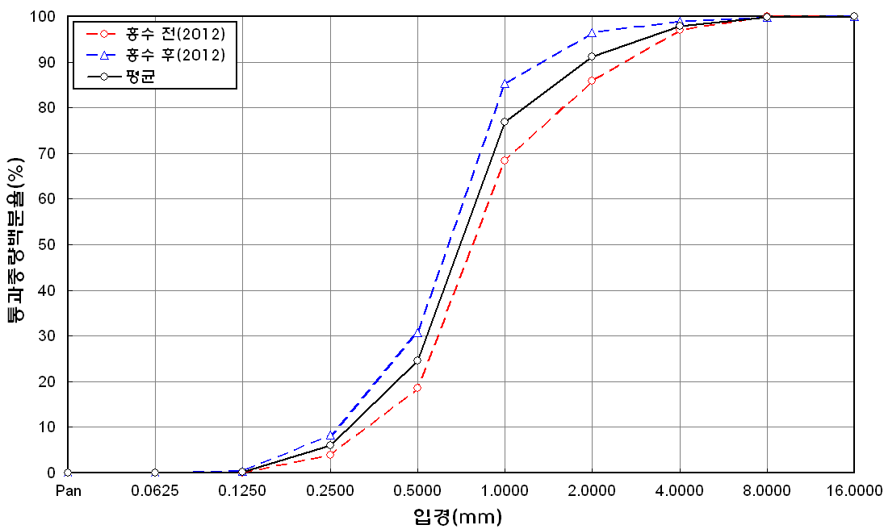
percent passing(%)
mean
particle size (mm)
before the flood (2012)
after the flood (2012)
6 | 51.3 | 13.5 | 22.8 | 8.5 | 2.9 | 0.4 | 0.4 | 0.2 | 100
7 | 50.3 | 13.8 | 21.1 | 9.9 | 4.6 | 0.1 | 0.2 | 0 | 100
8 | 52.4 | 15.2 | 17.6 | 5 | 5.9 | 2 | 1.8 | 0.1 | 100
9 | 49.5 | 19.6 | 19.2 | 4.1 | 2.6 | 2.9 | 2 | 0.1 | 100
10 | 48.8 | 19.4 | 24 | 4.9 | 1.3 | 0.9 | 0.5 | 0.2 | 100
11 | 47.7 | 14.9 | 22.6 | 6.6 | 2.4 | 3.5 | 1.5 | 0.8 | 100
12 | 45.8 | 21.3 | 23.2 | 5.9 | 3 | 0.8 | 0 | 0 | 100
13 | 52.5 | 16.8 | 20.4 | 4.6 | 3.2 | 1.3 | 0.8 | 0.4 | 100
14 | 49 | 19.2 | 16.1 | 5.6 | 5.3 | 2.9 | 1.3 | 0.6 | 100
15 | 47.8 | 18.6 | 21 | 7.2 | 3.5 | 0.9 | 0.9 | 0.1 | 100
16 | 48.3 | 16.2 | 20.3 | 8.8 | 4.8 | 0.8 | 0.6 | 0.2 | 100
17 | 47.1 | 13.8 | 20.1 | 7.3 | 5.6 | 4.2 | 1.4 | 0.5 | 100
18 | 46.5 | 15.6 | 17.6 | 7.7 | 8.8 | 2.6 | 1.2 | 0 | 100
19 | 50 | 14.2 | 19 | 7.1 | 7.2 | 1.3 | 1.1 | 0.1 | 100
20 | 49 | 14.4 | 21 | 7.1 | 7 | 0.8 | 0.7 | 0 | 100
min | 44.5 | 13.5 | 16.1 | 4.1 | 1.3 | 0.1 | 0 | 0 | -
max | 52.5 | 21.3 | 24 | 10.6 | 8.8 | 4.2 | 2 | 0.8 | -
mean | 48.4 | 16.7 | 21 | 6.8 | 4.4 | 1.5 | 0.9 | 0.2 | 100

* grain-size distribution of bed material (2014) _ grid sampling(Hack_1947)

* particle size distribution of suspended sediment (2014)_Laser Diffraction
 |  |  |  |  |  |  |  |  |  | * grain-size distribution of bed material (2014)_Sieve
No | particle size distribution of suspended sediment (%)
 | range (mm) |  |  |  |  |  |  |  |  | particle size time | D10 | D30 | D35 | D60 | D65 | 균등계수 Coefficient of uniformity (Cu) | 곡률계수 Coefficient of curvature (Cg)
 | 0.0020~ | 0.063~ | 0.126~ | 0.26~ | 0.51~ | 1.1~ | 2.1~ | 4.1~ |  | 홍수전 (before the flood) | 0.50 | 1.02 | 1.11 | 1.69 | 1.90 | 3.38 | 1.23
 | 0.062 | 0.125 | 0.25 | 0.5 | 1 | 2 | 4 | 8 |  | 홍수후(after the flood ) | 0.44 | 0.79 | 0.88 | 1.39 | 1.55 | 3.16 | 1.02
1 | 55.16 | 20.49 | 5.79 | 2.77 | 3.3 | 7.75 | 4.44 | 0 |  | 평균 (mean) | 0.47 | 0.91 | 1.00 | 1.54 | 1.73 | 3.28 | 1.13
2 | 63.72 | 22.58 | 10.35 | 2.21 | 0.43 | 0 | 0 | 0 |  | particle size time | D5 | D10 | D15 | D20 | D25 | D30 | D35 | D40 | D45 | D50 | D55 | D60 | D65 | D70 | D75 | D80 | D85 | D90 | D95 | D100
3 | 75.13 | 17.73 | 5.11 | 0.54 | 0.15 | 0.13 | 0.16 | 0 |  | 홍수전 (before the flood) | 0.31 | 0.50 | 0.77 | 0.85 | 0.94 | 1.02 | 1.11 | 1.18 | 1.28 | 1.28 | 1.49 | 1.69 | 1.90 | 2.25 | 2.50 | 3.00 | 3.50 | 4.00 | 7.50 | 19.00
4 | 86.44 | 6.79 | 2.63 | 0.68 | 0.37 | 0 | 0 | 0 |  | 홍수후 (after the flood ) | 0.32 | 0.44 | 0.53 | 0.63 | 0.73 | 0.79 | 0.88 | 0.96 | 1.04 | 1.12 | 1.25 | 1.39 | 1.55 | 1.74 | 1.91 | 2.26 | 2.86 | 3.54 | 5.93 | 19.00
5 | 81.99 | 11.52 | 4.23 | 0.21 | 0.01 | 0 | 0 | 0 |  | 평균 (mean) | 0.32 | 0.47 | 0.65 | 0.74 | 0.84 | 0.91 | 1.00 | 1.07 | 1.16 | 1.20 | 1.37 | 1.54 | 1.73 | 2.00 | 2.21 | 2.63 | 3.18 | 3.77 | 6.72 | 19.00
before the flood (2014)
after the flood (2014)
mean
percent passing(%)
particle size (mm)
6 | 81.76 | 12.41 | 3.55 | 0.03 | 0 | 0 | 0 | 0
7 | 85.14 | 9.2 | 3.32 | 0.46 | 0.01 | 0 | 0 | 0
8 | 83.04 | 9.46 | 4.08 | 0.94 | 0.41 | 0.12 | 0.02 | 0
9 | 83.26 | 9.22 | 4.25 | 0.38 | 0.02 | 0 | 0 | 0
10 | 81.6 | 10.16 | 4.69 | 1.01 | 0.09 | 0 | 0 | 0
11 | 82.93 | 9.74 | 3.95 | 0.72 | 0 | 0 | 0 | 0
12 | 82.83 | 9.48 | 4.11 | 0.91 | 0.05 | 0 | 0 | 0
13 | 83.25 | 10.91 | 3.4 | 0.12 | 0 | 0 | 0 | 0
14 | 82.82 | 9.36 | 4.4 | 0.96 | 0.05 | 0 | 0 | 0
15 | 83.28 | 9.77 | 4.2 | 0.55 | 0.08 | 0 | 0 | 0
16 | 72.72 | 15.38 | 8.11 | 2.24 | 0.23 | 0 | 0 | 0
mean | 79.07 | 12.14 | 4.76 | 0.92 | 0.33 | 0.5 | 0.29 | 0

